Forms
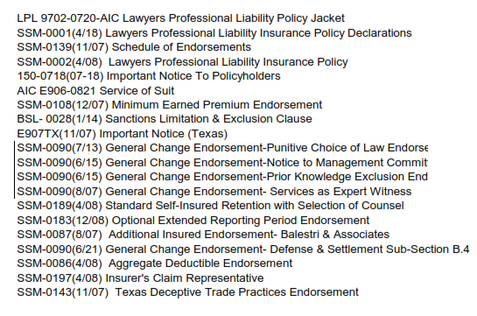
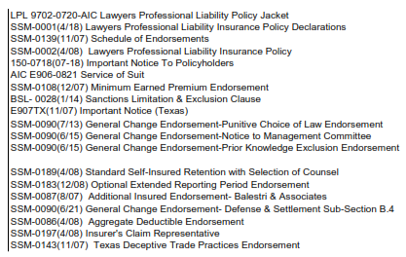
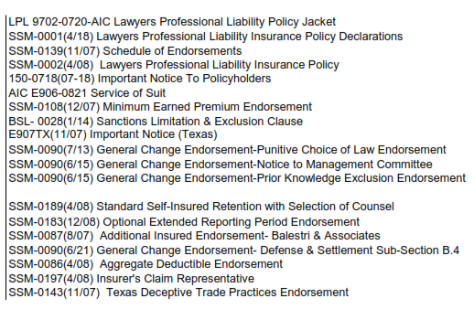
PATRA Forms Schedule Comparison

Renewal Policy Forms Schedule |  |  | Binder Forms Schedule |  | Quote Forms Schedule

 | New Form | Edition Date/ Form Number |  | Not included on Renewal/Current |  | Not listed on Renewal/Current

